Joe 'Tough Mudder' Perry
This is my cousin Joe Perry from Wallaceburg Ontario.
He loves competing in Tough Mudder competitions.



I love
TOUGH MUDDER !

How does Joe keep in shape?
Part of his routine involves a lot of running!!!
Joe asked me for help in Excel to:
(a) track his monthly running stats
(b) compare stats versus previous years & months

Joe paints his face for every tough mudder. Why? He says that it's cheaper than sunscreen.
Despite nearing the half century mark Joe's physical age is 15 !
Joe runs Internet Kent http://kent.net/
Sign up for Tough Mudder https://toughmudder.com/

Instructions
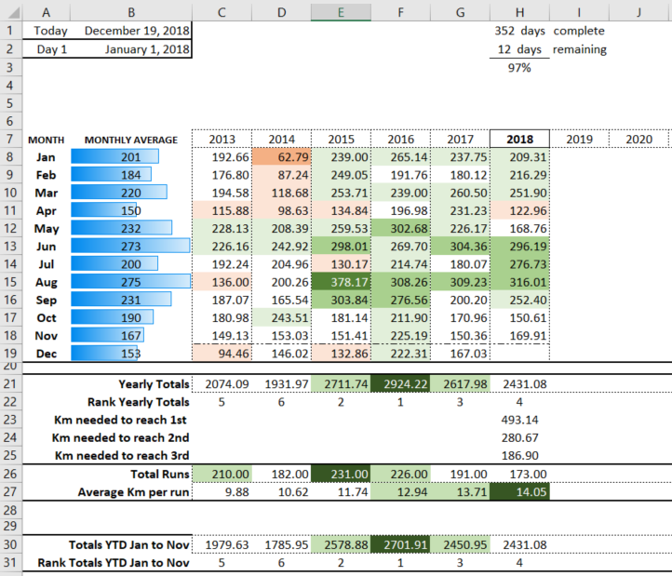
Enter monthly running totals
Enter total monthy runs
Conditional formatting on monthly numbers across all years (C8 to U19)
Blue conditional formatting on monthly averages
Date Formulas
Total Formulas
YTD Formulas
Formulas to calc days remaining

Chart
Monthly Totals for Current Year and 2 Previous Years

 | 2016 | 2017 | 2018
2018-01-01 | 265.14 | 237.75 | 209.31
2018-02-01 | 191.76 | 180.12 | 216.29
2018-03-01 | 239.00 | 260.50 | 251.90
2018-04-01 | 196.98 | 231.23 | 122.96
2018-05-01 | 302.68 | 226.17 | 168.76
2018-06-01 | 269.70 | 304.36 | 296.19
2018-07-01 | 214.74 | 180.07 | 276.73
2018-08-01 | 308.26 | 309.23 | 316.01
2018-09-01 | 276.56 | 200.20 | 252.40
2018-10-01 | 211.90 | 170.96 | 150.61
2018-11-01 | 225.19 | 150.36 | 169.91
2018-12-01 | 222.31 | 167.03 | #N/A

YTD Chart
Monthly Totals for Current Year and 2 Previous Years

 | 2016 | 2017 | 2018
2018-01-01 | 265.14 | 237.75 | 209.31
2018-02-01 | 456.90 | 417.87 | 425.60
2018-03-01 | 695.90 | 678.37 | 677.50
2018-04-01 | 892.88 | 909.60 | 800.46
2018-05-01 | 1195.56 | 1135.77 | 969.22
2018-06-01 | 1465.25 | 1440.13 | 1265.41
2018-07-01 | 1680.00 | 1620.20 | 1542.14
2018-08-01 | 1988.25 | 1929.42 | 1858.16
2018-09-01 | 2264.81 | 2129.63 | 2110.56
2018-10-01 | 2476.72 | 2300.59 | 2261.17
2018-11-01 | 2701.91 | 2450.95 | 2431.08
2018-12-01 | 2924.22 | 2617.98 | #N/A

