SampleText
1
Select a cell with text,
2
3
Preview various options and press "Update Active Cell" in the top right.

Favorite Format: Set default options and then press the orange buttons to the left of each option.
Syncronize: Preview Option Details In this box, changing any options (font, bold, italic, size) will change all options at the same time.
Preview Options: Modify 5 different preview options to find the perfect font.
Select Preview Option & Update: Once you've found the perfect font, select it from the drop down list and press the "Update Active Cell" button.
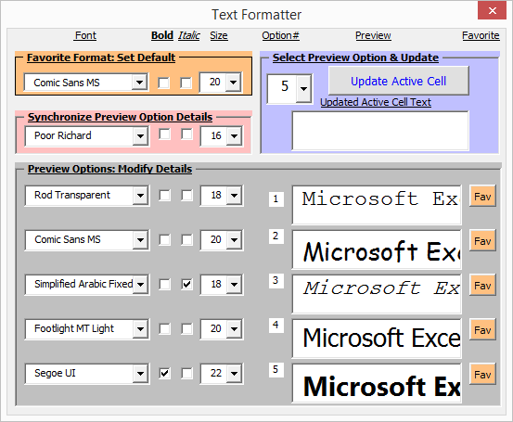

 | Microsoft Excel

Open the Visual Basic Editor (Tools-Macro-Visual Basic Editor or Hold down the 'Alt' key and press the 'F11' key) and look at the userform.
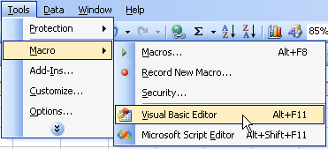

Examine the code behind the user form (right click on userform, view code)

Font
Cambria
Calibri
Aharoni
'Run macro "ListFonts" to update fonts with your workbook's font list.
Aldhabi
Andalus
Angsana New
AngsanaUPC
Aparajita
Arabic Typesetting
Argumentum Black
Argumentum Light
Argumentum Medium
Argumentum Regular
Argumentum Ultra Light
Arial
Arial Black
Arial Narrow
Arial Unicode MS
Batang
BatangChe
Book Antiqua
Bookman Old Style
Bookshelf Symbol 7
Bradley Hand ITC
Browallia New
BrowalliaUPC
Calibri
Calibri Light
Cambria
Cambria Math
Candara
Century
Century Gothic
Comic Sans MS
Consolas
Constantia
Corbel
Cordia New
CordiaUPC
Courier New
DaunPenh
David
DFKai-SB
DilleniaUPC
DokChampa
Dosis
Dotum
DotumChe
Ebrima
Estrangelo Edessa
EucrosiaUPC
Euphemia
FangSong
Franklin Gothic Medium
FrankRuehl
FreesiaUPC
Freestyle Script
French Script MT
Gabriola
Gadugi
Garamond
Gautami
Georgia
Gisha
Gulim
GulimChe
Gungsuh
GungsuhChe
Haettenschweiler
Impact
IrisUPC
Iskoola Pota
JasmineUPC
Javanese Text
Juice ITC
KaiTi
Kalinga
Kartika
Khmer UI
KodchiangUPC
Kokila
Kristen ITC
Lao UI
Latha
Lato
Lato Black
Leelawadee
Leelawadee UI
Leelawadee UI Semilight
Levenim MT
LilyUPC
Lucida Bright
Lucida Console
Lucida Handwriting
Lucida Sans
Lucida Sans Typewriter
Lucida Sans Unicode
Malgun Gothic
Mangal
Marlett
Meiryo
Meiryo UI
Microsoft Himalaya
Microsoft JhengHei
Microsoft JhengHei Light
Microsoft JhengHei UI
Microsoft JhengHei UI Light
Microsoft New Tai Lue
Microsoft PhagsPa
Microsoft Sans Serif
Microsoft Tai Le
Microsoft Uighur
Microsoft YaHei
Microsoft YaHei Light
Microsoft YaHei UI
Microsoft YaHei UI Light
Microsoft Yi Baiti
MingLiU
MingLiU_HKSCS
MingLiU_HKSCS-ExtB
MingLiU-ExtB
Miriam
Miriam Fixed
Mistral
Mongolian Baiti
Monotype Corsiva
Montserrat
MoolBoran
MS Gothic
MS Mincho
MS Outlook
MS PGothic
MS PMincho
MS Reference Sans Serif
MS Reference Specialty
MS UI Gothic
MT Extra
MV Boli
Myanmar Text
Narkisim
Nirmala UI
Nirmala UI Semilight
NSimSun
Nyala
Oswald
Palatino Linotype
Papyrus
Plantagenet Cherokee
PMingLiU
PMingLiU-ExtB
Pristina
Raavi
Rod
Rupee Foradian
Sakkal Majalla
Segoe Print
Segoe Script
Segoe UI
Segoe UI Black
Segoe UI Emoji
Segoe UI Light
Segoe UI Semibold
Segoe UI Semilight
Segoe UI Symbol
Shonar Bangla
Shruti
SimHei
Simplified Arabic
Simplified Arabic Fixed
SimSun
SimSun-ExtB
Sitka Banner
Sitka Display
Sitka Heading
Sitka Small
Sitka Subheading
Sitka Text
Source Sans Pro Black
Source Sans Pro Semibold
Sylfaen
Symbol
Tahoma
Tempus Sans ITC
Times New Roman
Traditional Arabic
Trebuchet MS
Tunga
Urdu Typesetting
Utsaah
Vani
Verdana
Vijaya
Vrinda
Webdings
Wingdings
Wingdings 2
Wingdings 3
Yu Gothic
Yu Gothic Light
Yu Mincho
Yu Mincho Demibold
Yu Mincho Light

