Original
Category | Type | Color | Size | Amount |  | Category | Type | Color | Size | Amount
3 | A | Red | Large | 10 |  | 1 | C | Black | Small | 10
3 | B | Green | Small | 100 |  | 3 | B | Yellow | Small | 100
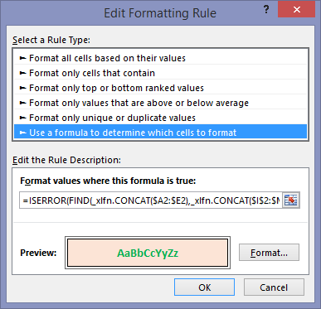
1 | D | Blue | Medium | 50 |  | 4 | B | Green | Medium | 25
2 | B | Yellow | Large | 25 |  | 3 | A | Blue | Large | 50
1 | C | Black | Small | 10 |  | 4 | B | Yellow | Medium | 10
4 | A | Red | Medium | 100
6 | B | Green | Large | 50
1 | D | Blue | Small | 25
4 | B | Yellow | Medium | 10
6 | C | Black | Large | 100
3 | A | Red | Small | 50
4 | B | Green | Medium | 25
6 | D | Blue | Large | 10
3 | B | Yellow | Small | 100
3 | C | Black | Medium | 50
6 | A | Red | Large | 25
3 | B | Yellow | Small | 100
1 | D | Blue | Medium | 100
3 | B | Yellow | Large | 50
1 | C | Black | Small | 25

REQUIREMENT: Conditional Format Rows in List 1 that are Not in List 2 by David Hager

 |  |  |  |  |  | FORMULA USED IN CONDITIONAL FORMATTING RULE
 |  |  |  |  | This is David's formula which works perfectly in Excel 2016 ---> | =ISERROR(FIND(CONCAT($A2:$E2),CONCAT($I$2:$M$6)))
 |  |  |  |  | This is what I see in Excel 2013 ---> | =ISERROR(FIND(_xlfn.CONCAT($A2:$E2),_xlfn.CONCAT($I$2:$M$6)))

David's Post: https://dhexcel1.wordpress.com/author/dch1dch2/
My Post: http://www.myspreadsheetlab.com/i-see-xlfn-what-is-happening-2/

Kevin's Workaround
KEY | Found? | Category | Type | Color | Size | Amount | KEY | Category | Type | Color | Size | Amount
3ARedLarge10 | FALSE | 3 | A | Red | Large | 10 | 1CBlackSmall10 | 1 | C | Black | Small | 10
3BGreenSmall100 | FALSE | 3 | B | Green | Small | 100 | 3BYellowSmall100 | 3 | B | Yellow | Small | 100
1DBlueMedium50 | FALSE | 1 | D | Blue | Medium | 50 | 4BGreenMedium25 | 4 | B | Green | Medium | 25
2BYellowLarge25 | FALSE | 2 | B | Yellow | Large | 25 | 3ABlueLarge50 | 3 | A | Blue | Large | 50
1CBlackSmall10 | TRUE | 1 | C | Black | Small | 10 | 4BYellowMedium10 | 4 | B | Yellow | Medium | 10
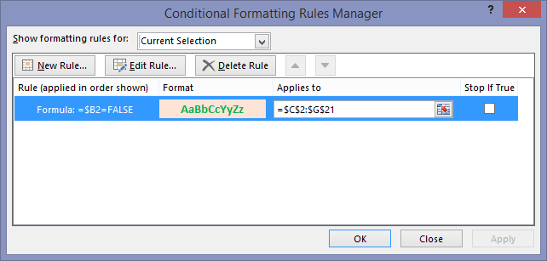
4ARedMedium100 | FALSE | 4 | A | Red | Medium | 100
6BGreenLarge50 | FALSE | 6 | B | Green | Large | 50
1DBlueSmall25 | FALSE | 1 | D | Blue | Small | 25
4BYellowMedium10 | TRUE | 4 | B | Yellow | Medium | 10
6CBlackLarge100 | FALSE | 6 | C | Black | Large | 100
3ARedSmall50 | FALSE | 3 | A | Red | Small | 50
4BGreenMedium25 | TRUE | 4 | B | Green | Medium | 25
6DBlueLarge10 | FALSE | 6 | D | Blue | Large | 10
3BYellowSmall100 | TRUE | 3 | B | Yellow | Small | 100
3CBlackMedium50 | FALSE | 3 | C | Black | Medium | 50
6ARedLarge25 | FALSE | 6 | A | Red | Large | 25
3BYellowSmall100 | TRUE | 3 | B | Yellow | Small | 100
1DBlueMedium100 | FALSE | 1 | D | Blue | Medium | 100
3BYellowLarge50 | FALSE | 3 | B | Yellow | Large | 50
1CBlackSmall25 | FALSE | 1 | C | Black | Small | 25

REQUIREMENT: Conditional Format Rows in List 1 that are Not in List 2 by David Hager
Here are the steps to my workaround solution:
Use a helper formula to concatenate all values in both tables: =K2&L2&M2&N2&O2
Adding this =ISNUMBER(MATCH(A2,$J$2:$J$6,0)) shows whether or not the row is found (Cell A2 is key in table 1. Column J is key in table 2)
Add this formula inside your conditional formatting rule: =$B2=FALSE

David's Post: https://dhexcel1.wordpress.com/author/dch1dch2/
My Post: http://www.myspreadsheetlab.com/i-see-xlfn-what-is-happening-2/

